Cover Page
SIT CIT Test Scenarios

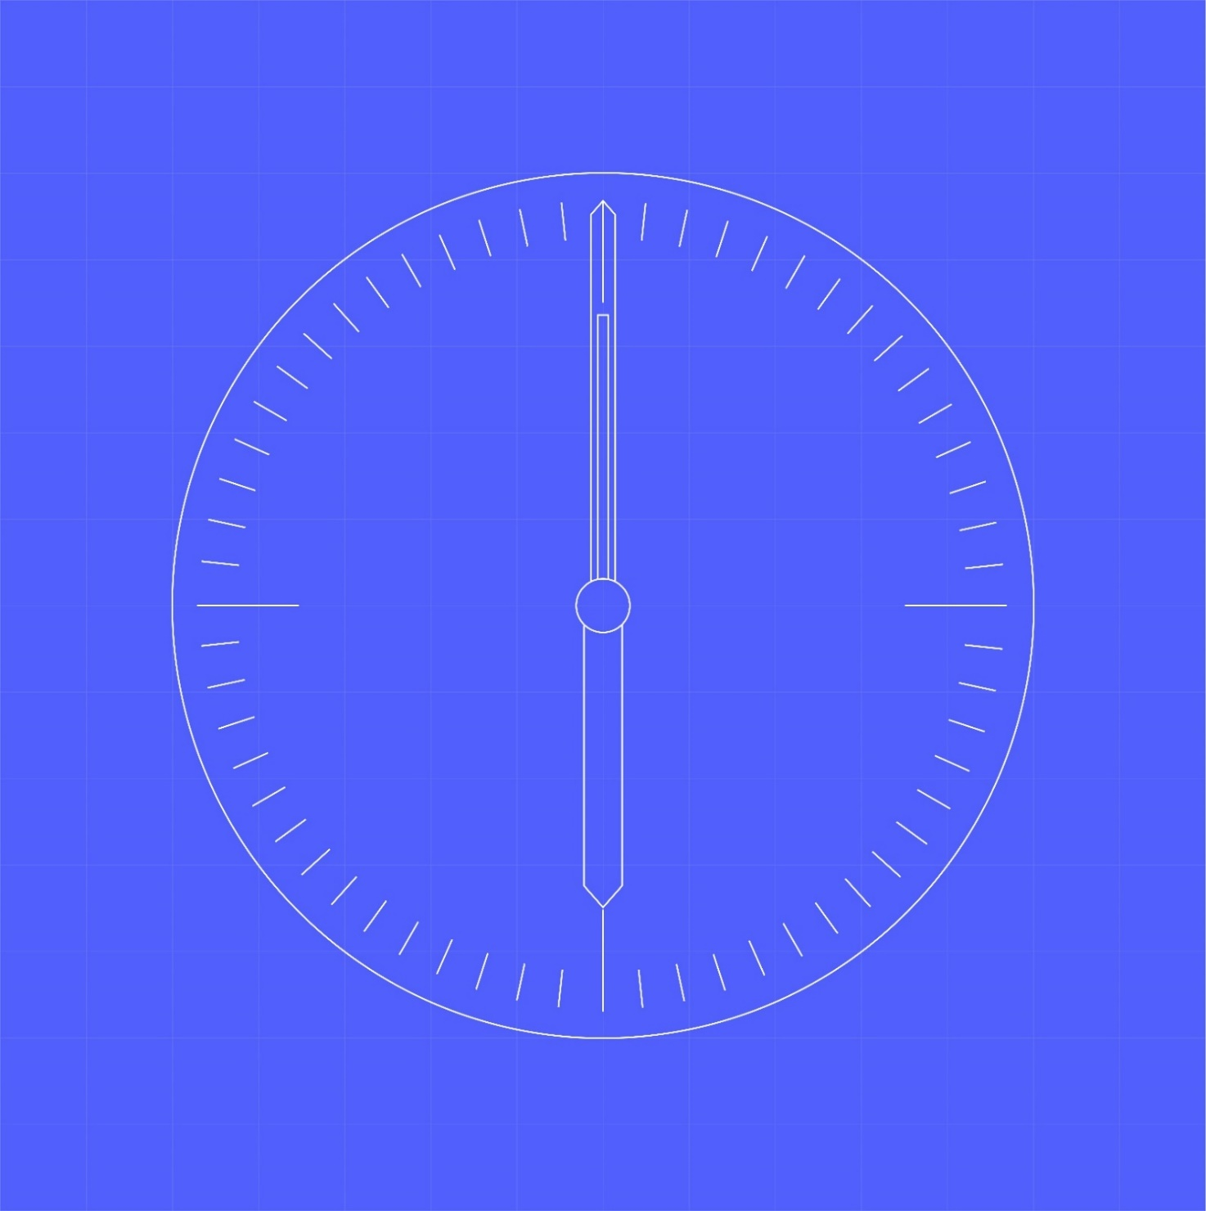

Document owner | Document number | Version
SI Test Team | MHHS-DEL1116 | 5.2.2
Status: | Date | Classification
Draft | 16-Aug-23 | Public

